Normal Function
Normal Function
 |  |  |  |  |  | Description
 | Parameters | Label | Origami1 | Origami2 |  | Each column indicates an origami structure
 | Linewidth: |  | 1 | 0.1 |  | In range of (0, 10]
 | Example
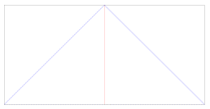
 | The user input generates leftmost origami structure with linewidth = 1 (Fig. 1) followed by the rightmost origami structure with linewidth = 0.1 (Fig. 2)
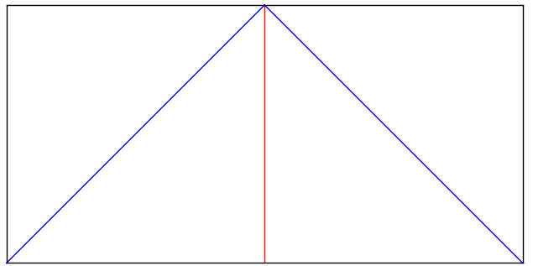

 | Fig. 1 |  |  |  | Fig. 2

 | Parameters |  |  |  |  | Description
 | Number of block: |  | 1 | 2 |  | Number of block is the order of the output layout.
 | Example
 | The user input indicates the "Origami 1" is located at the leftmost and followed by "Origami 2" (Fig. 3)
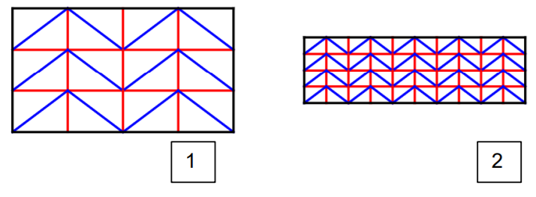
Origami 1
Origami 2

 | Fig. 3

 | Parameters |  |  |  |  | Description
 | Ratio/Angle(type R/A): |  | Ratio | Angle |  | Select “Ratio” for ratio and “Angle” for angle (in degree).
 | Left unit |  | 4.0/3.0 | 53.13 |  | Type the height/left base length [ratio] or Alpha angle in degree [Angle] of the left part of spring origami (Example: 4.0/3.0 or 53.13) (Fig. 4)
 | Right unit |  | 1.0/1.0 | 45 |  | Type the height/right base length [ratio] or Beta angle in degree [Angle] of the right part of spring origami (Example: 1.0/1.0 or 45) (Fig. 4)
 | Example
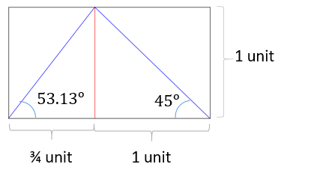
 | According to both type of user input shown above, system generates the same base with specified ratio/angle (Fig. 5)
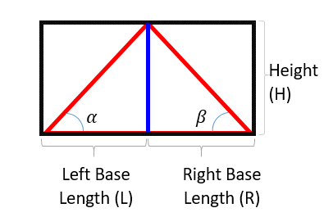

 | Fig. 4 |  |  |  | Fig. 5

 | Parameters |  |  |  |  | Description
 | Row |  | 4 |  |  | Number of the row
 | Repeat |  | 5 |  |  | Number of the repeated unit
 | Example
 | According to the user input shown above, system generates a spring origami with 4 rows and 5 repeats (Fig. 6)
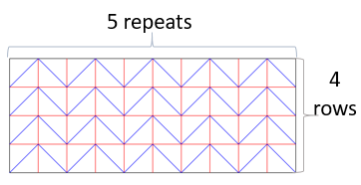

 | Fig. 6

 | Parameters |  |  |  |  | Description
 | Functions |  | Normal | Normal |  | To using "Normal Function", choose the "Normal" from the list of "Functions"
 | Twist |  | None | Twist |  | (Optional) Delete every horizontal mountain crease (red) in each unit. Select "Twist" to enable the twist (Fig. 8) or "None" to disable the twist (Fig. 7)
 | Facet angle |  |  | 30 |  | (Optional) Replace the horizontal mountain crease (red) with a facet crease (yellow). Create a mountain crease (red) in between the valley crease (blue) and facet crease (yellow). The input angle is the angle between facet crease (yellow) and mountain crease (red). Input a desired facet angle to enable the facet crease (Fig. 9) or leave it blank to disable the facet crease (Fig. 7)
 | Example
 | According to the user input, system generates the topmost spring origami structure without twist and facet angle (Fig. 7). Enable the twist could generate the spring origami in middle (Fig. 8). The bottommost spring origami is generated by facet angle 30 degree (Fig. 9).
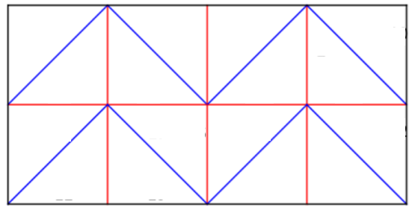

 | Fig. 7
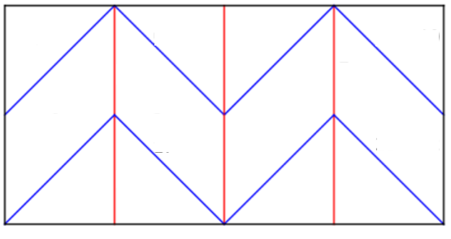

 | Fig. 8
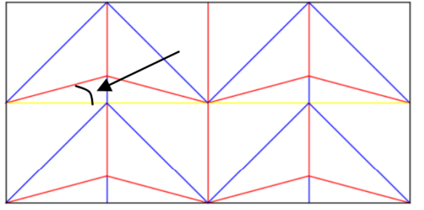
30

 | Fig. 9

(Optional) Specific Function
Specific Function

 | Parameters | Label | Origami4
 | Linewidth: |  | 1
 | Number of block: |  | 4
 | Ratio/Angle(type R/A): |  | Angle
 | Left unit |  | 40
 | Right unit |  | 70
 | Row |  | 4
 | Repeat |  | 3 | Description
 | Functions |  | Specific Structure | To using "Specifc Function", choose the "Specific Structure" from the list of "Functions"
 | Twist |  | None
 | Facet angle
 | Iterative | Opacity |  | Description
 | Specific | Crease ID | 1 | Input the crease which need to modified, in this case: modified crease ID = 1
 |  | Opacity | 5 | Input the crease opacity respective to the modified crease ID listed above. In this case: the crease opacity for crease ID = 1 is 5%.
 |  |  | 2 | Input the crease which need to modified, in this case: modified crease ID = 2
 |  |  | 40 | Input the crease opacity respective to the modified crease ID listed above. In this case: the crease opacity for crease ID = 2 is 40%.
 |  |  |  | User may continue input the creases ID need to modified followed by the crease opacity.

 | The Indexing Rule
 | The index of the typical creases (namely mountain fold and valley fold) are ascending from mountain fold to valley fold and from horizontal to vertical (Fig. 10).
 | The indexing included the transparent origami crease when the “Twist” option was chosen (Fig. 11). The index of facet creases are followed by the typical crease (Fig. 12).

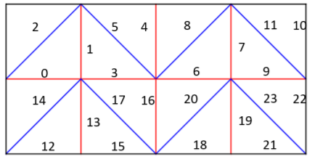
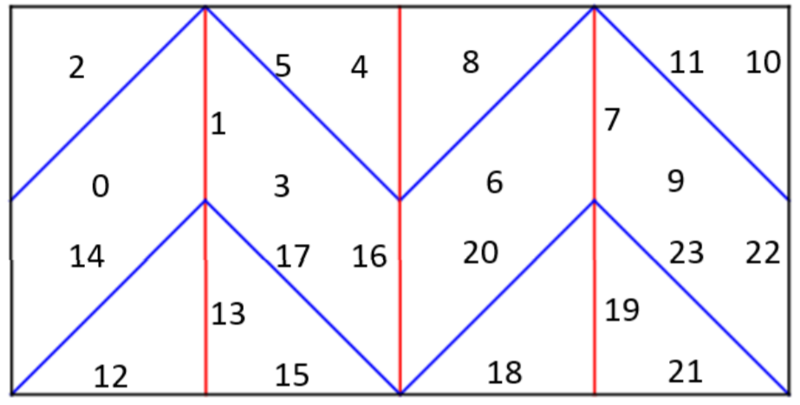
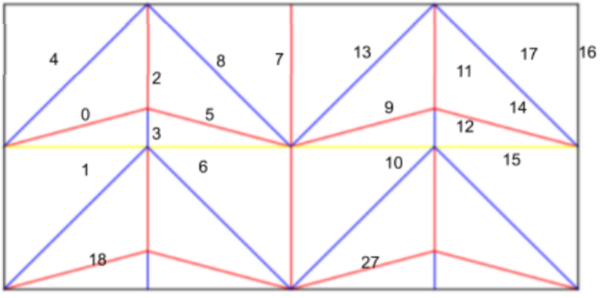

 | Fig. 10 |  |  |  | Fig. 11 | Fig. 12

 | Example and Description of the Function
 | The Specific function allows the user to input the specific “seat number” of the crease in the origami structure that needs to be modified, followed by the specific crease opacity (Supplementary S1). Users can input multiple pairs of “seat number” and crease opacity for one spring origami structure. For instance, the user may input the 1st and 2nd crease, with crease opacity 5% and 40%. The system will generate a normal spring origami with 5% crease opacity for the 1st crease and 40% crease opacity for the 2nd crease (Supplementary S1 A-B). In addition, the system also allows users to generate multiple modified origami at the same time (Supplementary S1 C-D).

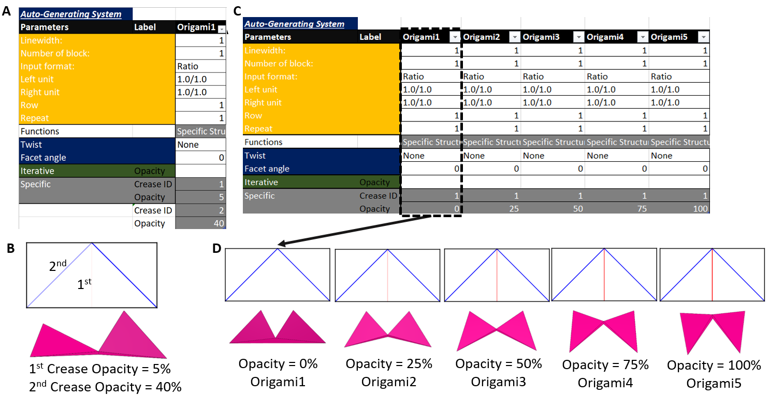

 | Supplementary S1

(Optional) Iteration Function
Iterative Function

 | Parameters | Label | Origami5
 | Linewidth: |  | 1
 | Number of block: |  | 5
 | Ratio/Angle(type R/A): |  | Ratio
 | Left unit |  | 4.0/3.0
 | Right unit |  | 1.0/1.0
 | Row |  | 4
 | Repeat |  | 2 | Description
 | Functions |  | Iterative | To using "Iteration Function", choose the "Iterative" from the list of "Functions"
 | Twist |  | None
 | Facet angle |  |  | Description
 | Iterative | Opacity | 20 | Input the crease opacity which wish to apply to the modified origami creases.
 | Specific | Crease ID
 |  | Opacity

 | Example and Description of the Function
 | The Iterative mode creates N derivative structures from a normal spring origami with N creases. The iteration function can generate structures that can each have different modified creases. For instance, the user may choose a 0% crease opacity to generate an origami structure consisting of three rows and two repeat units (36 creases) using the iterating function. The system will then generate 36 derivative structures in a single output file, with each structure having one crease with 0% crease opacity. None of the 36 derivative structures generated by the system will have the same transparent crease (Supplementary S2). The single output file can be subjected to AGS, allowing all the derivative structures to be folded simultaneously (Supplementary S2). This function enables simultaneous comparison of the folded derivative origami structure with the different modified creases. While the Specific function requires the user to specify the crease that needs to be modified, the iteration function will automatically generate multiple origami structures with all possible creases that can be modified.

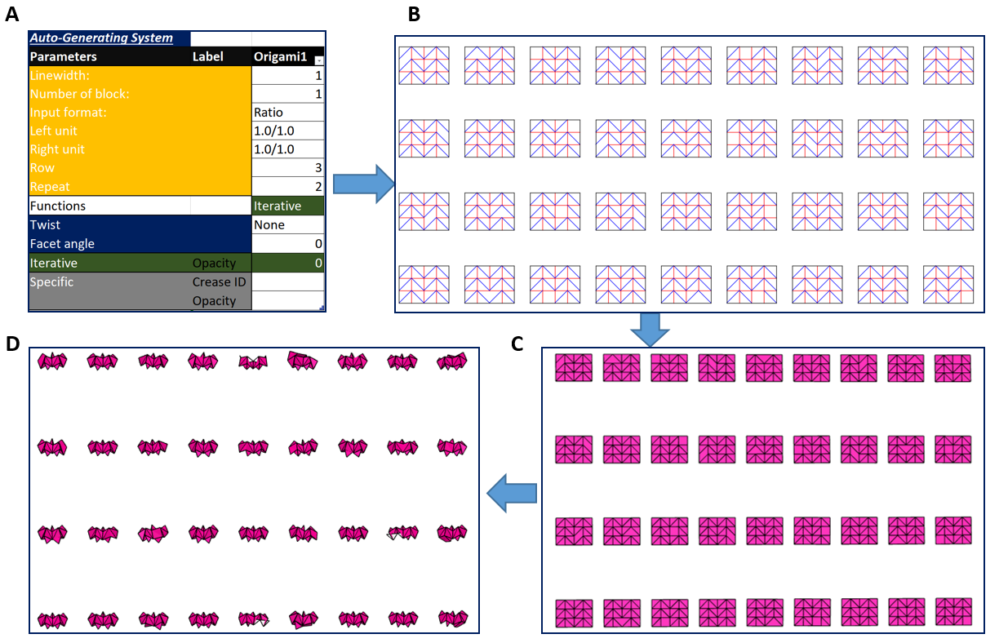

 | Supplementary S1

